Cover Page
Supplementary Financial Information
Fourth Quarter 2008

Supplementary Financial Information
First Quarter 2025
Q1

BCE Investor Relations
Richard Bengian
514-786-8219
richard.bengian@bell.ca

Accomp Notes p14
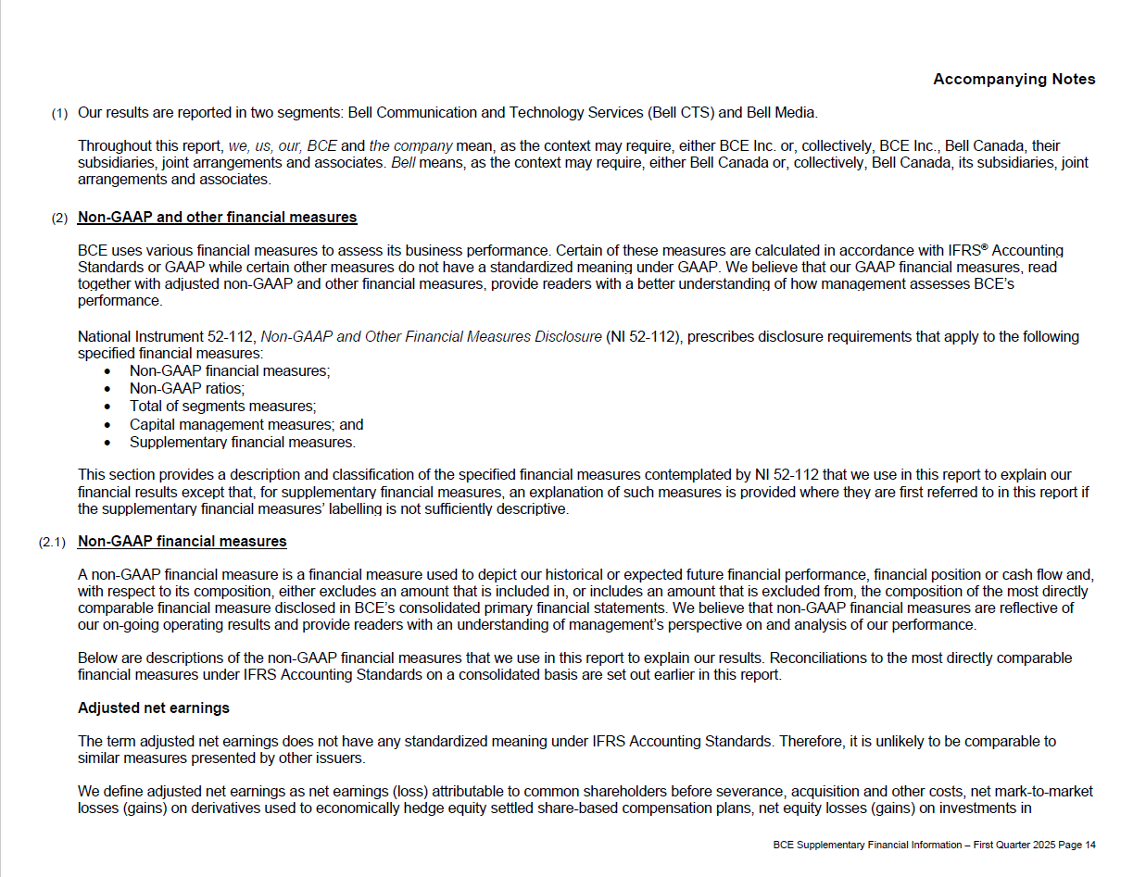

Accomp Notes p15
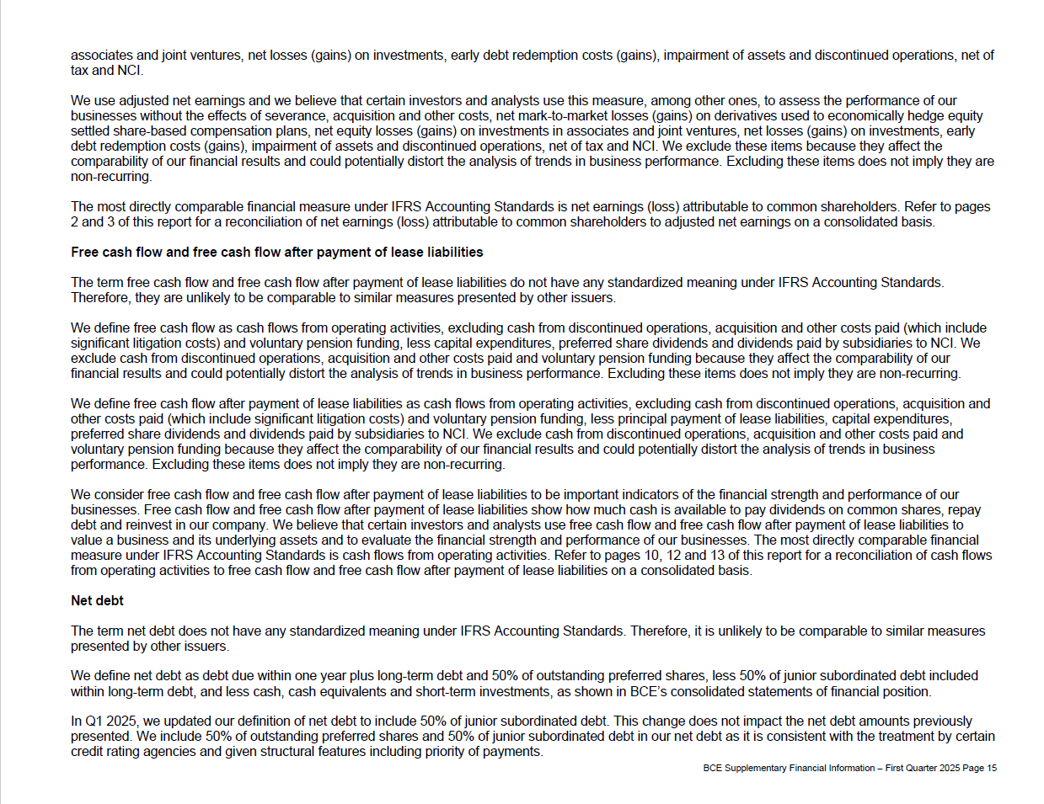

Accomp Notes p16
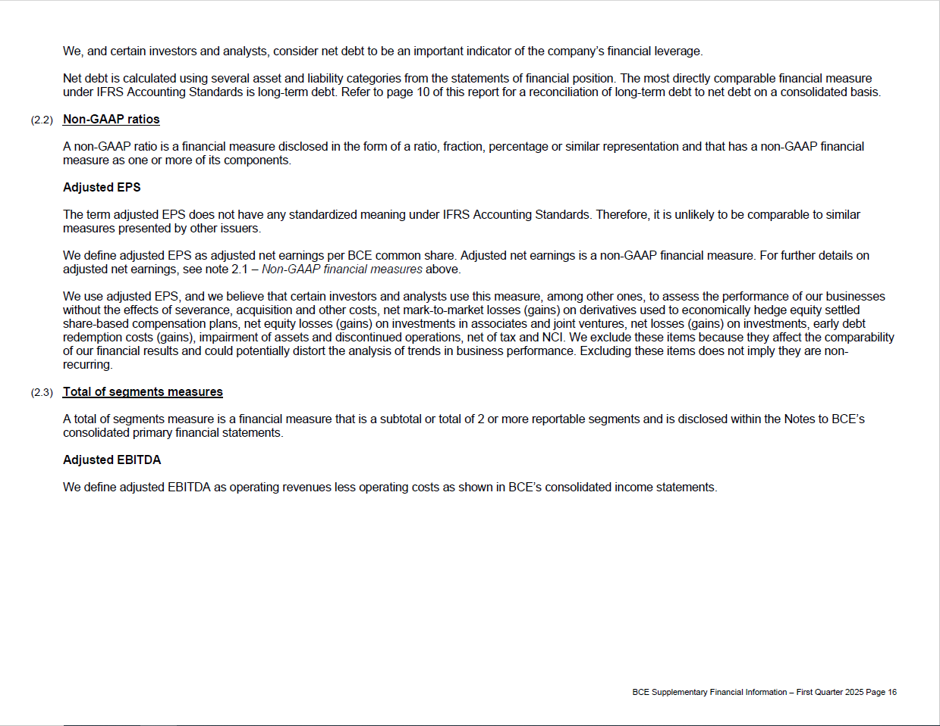

Accomp Notes p17
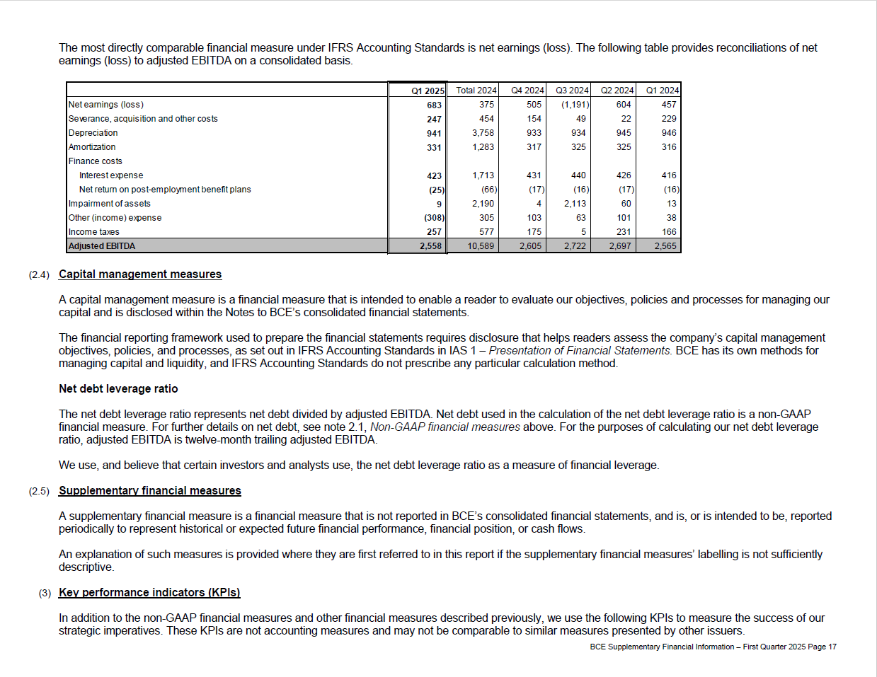

Accomp Notes p18
